4 & 5 | Instruments Panel
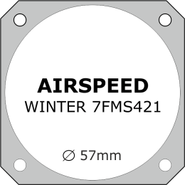
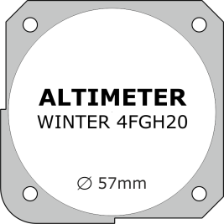
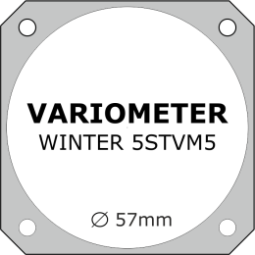
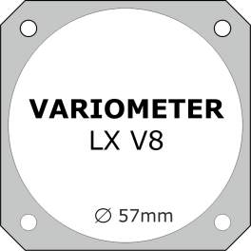
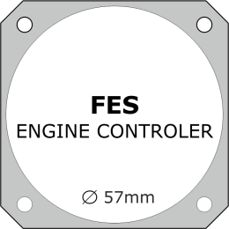

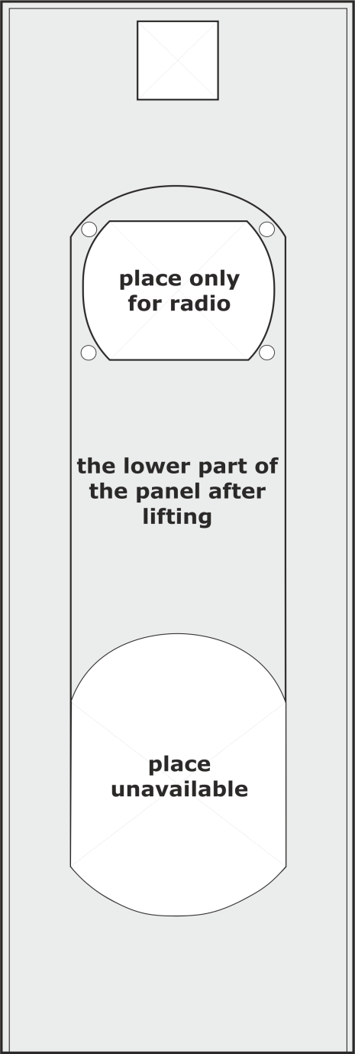
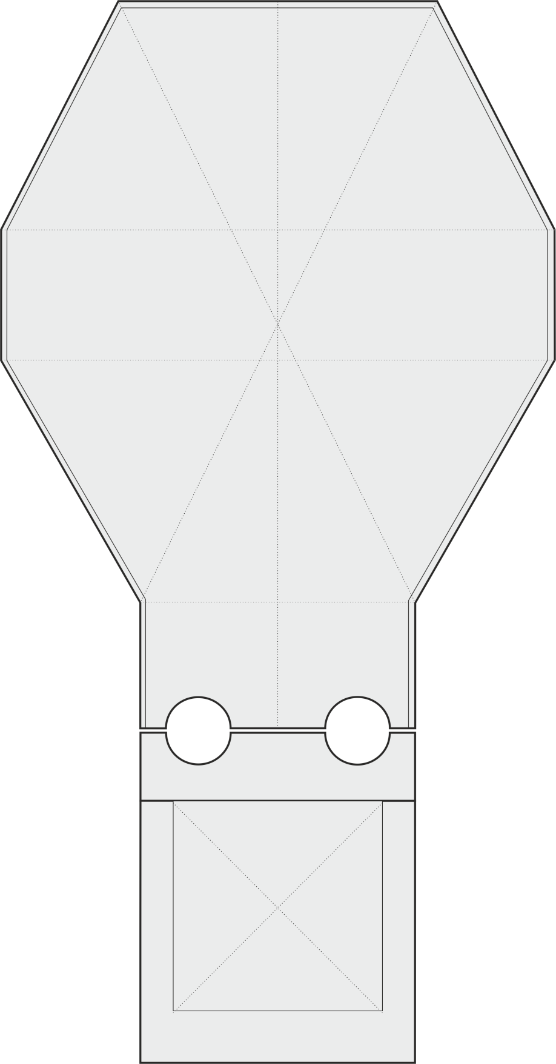
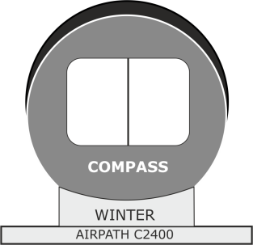
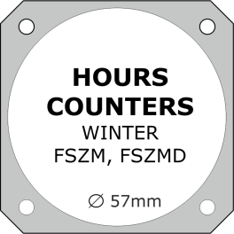

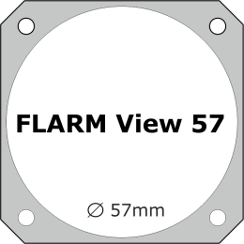
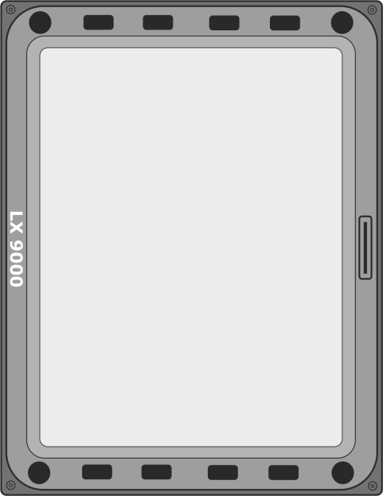
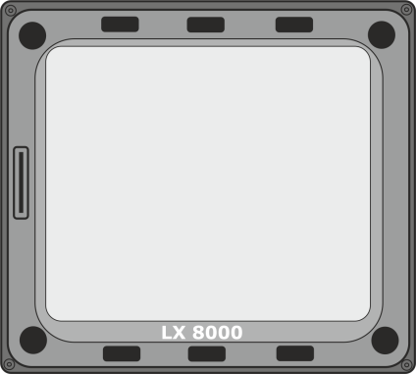

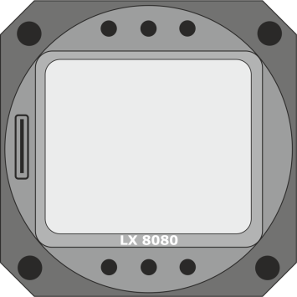
4. | INSTRUMENTS PANEL | arrangement of instruments | 5. | ON-BOARD INSTRUMENTS | deddicated set

 |  | Selected device | on-board instrument - drag on the board on-board instrument and arrange according to your concept

6 | Details - personalization
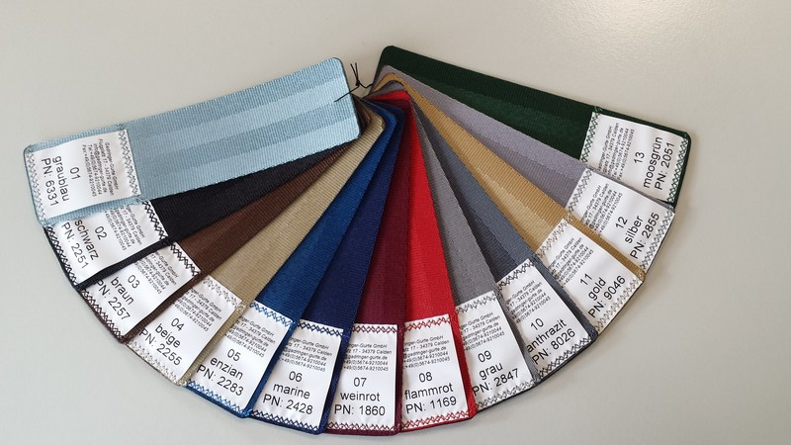
6. | DETAILS | personalization
 | Please fill the following information:

 | a) | PILOT HEIGHT [in centimeters | feet]: | b) | PILOT WEIGHT [in kilograms | pounds]:

 | c) | FONT TYPE [name] | STYLE & COLOUR

 |  | RAL palette | code:

 | d) | REGISTRATION MARKS [located on the tail boom]: | e) | COMPETITION NUMBER [locaded on fin]:

 | f) | SEAT BELTS COLOR [choose from 1 to 13 from the photo below]:

